Register 0x1E
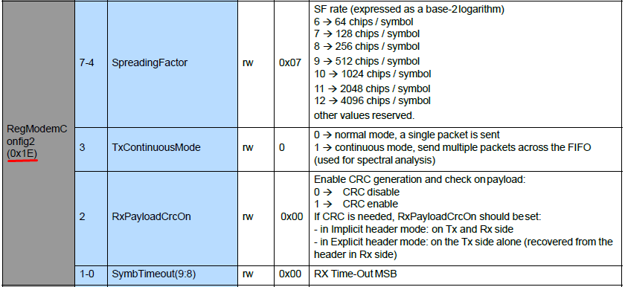
 | 8 | 4 | 2 | 1
 | SpreadingFactor |  |  |  | Tx Cont Mode | RxPayloadCrcOn | SymbTimeout(9:8)
Description | Bit7 | Bit 6 | Bit 5 | Bit4 | Bit 3 | Bit 2 | Bit 1 | Bit0 | Bin | Hex | Dec
SF7 | 0 | 1 | 1 | 1 | 0 | 1 | 0 | 0 | 01110100 | 74 | 116
SF8 | 1 | 0 | 0 | 0 | 0 | 1 | 0 | 0 | 10000100 | 84 | 132
SF9 | 1 | 0 | 0 | 1 | 0 | 1 | 0 | 0 | 10010100 | 94 | 148
SF10 | 1 | 0 | 1 | 0 | 0 | 1 | 0 | 0 | 10100100 | A4 | 164
SF11 | 1 | 0 | 1 | 1 | 0 | 1 | 0 | 0 | 10110100 | B4 | 180
SF12 | 1 | 1 | 0 | 0 | 0 | 1 | 0 | 0 | 11000100 | C4 | 196

Register 0x1d
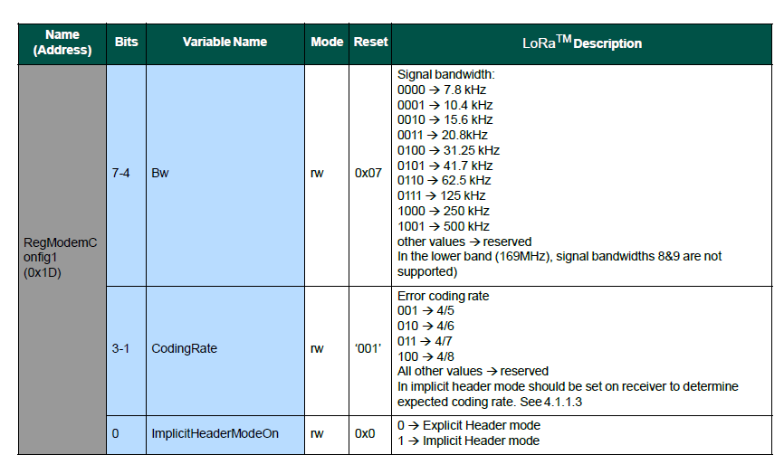
 | Bandwith |  |  |  | CodingRate=4/5 |  |  | Implict Header on
BW (Khz) | Bit7 | Bit 6 | Bit 5 | Bit4 | Bit 3 | Bit 2 | Bit 1 | Bit0 | Bin | Hex | Dec
31.25 | 0 | 1 | 0 | 0 | 0 | 0 | 1 | 0 | 01000010 | 42 | 66
41.7 | 0 | 1 | 0 | 1 | 0 | 0 | 1 | 0 | 01010010 | 52 | 82
62.5 | 0 | 1 | 1 | 0 | 0 | 0 | 1 | 0 | 01100010 | 62 | 98
125 | 0 | 1 | 1 | 1 | 0 | 0 | 1 | 0 | 01110010 | 72 | 114
250 | 1 | 0 | 0 | 0 | 0 | 0 | 1 | 0 | 10000010 | 82 | 130

 | Bandwith |  |  |  | CodingRate=4/6 |  |  | Implict Header on
BW (Khz) | Bit7 | Bit 6 | Bit 5 | Bit4 | Bit 3 | Bit 2 | Bit 1 | Bit0 | Bin | Hex | Dec
31.25 | 0 | 1 | 0 | 0 | 0 | 1 | 0 | 0 | 01000100 | 44 | 68
41.7 | 0 | 1 | 0 | 1 | 0 | 1 | 0 | 0 | 01010100 | 54 | 84
62.5 | 0 | 1 | 1 | 0 | 0 | 1 | 0 | 0 | 01100100 | 64 | 100
125 | 0 | 1 | 1 | 1 | 0 | 1 | 0 | 0 | 01110100 | 74 | 116
250 | 1 | 0 | 0 | 0 | 0 | 1 | 0 | 0 | 10000100 | 84 | 132

 | Bandwith |  |  |  | CodingRate=4/7 |  |  | Implict Header on
BW (Khz) | Bit7 | Bit 6 | Bit 5 | Bit4 | Bit 3 | Bit 2 | Bit 1 | Bit0 | Bin | Hex | Dec
31.25 | 0 | 1 | 0 | 0 | 0 | 1 | 1 | 0 | 01000110 | 46 | 70
41.7 | 0 | 1 | 0 | 1 | 0 | 1 | 1 | 0 | 01010110 | 56 | 86
62.5 | 0 | 1 | 1 | 0 | 0 | 1 | 1 | 0 | 01100110 | 66 | 102
125 | 0 | 1 | 1 | 1 | 0 | 1 | 1 | 0 | 01110110 | 76 | 118
250 | 1 | 0 | 0 | 0 | 0 | 1 | 1 | 0 | 10000110 | 86 | 134

 | Bandwith |  |  |  | CodingRate=4/8 |  |  | Implict Header on
BW (Khz) | Bit7 | Bit 6 | Bit 5 | Bit4 | Bit 3 | Bit 2 | Bit 1 | Bit0 | Bin | Hex | Dec
31.25 | 0 | 1 | 0 | 0 | 1 | 0 | 0 | 0 | 01001000 | 48 | 72
41.7 | 0 | 1 | 0 | 1 | 1 | 0 | 0 | 0 | 01011000 | 58 | 88
62.5 | 0 | 1 | 1 | 0 | 1 | 0 | 0 | 0 | 01101000 | 68 | 104
125 | 0 | 1 | 1 | 1 | 1 | 0 | 0 | 0 | 01111000 | 78 | 120
250 | 1 | 0 | 0 | 0 | 1 | 0 | 0 | 0 | 10001000 | 88 | 136

LoRaModem Specs
